1. Title Page
[Instacart Basket Analysis ]

Project Name: 08-2020 Instacart Basket Analysis
Date: 04-09-2023
Analyst Name: Sanja Ilin

Contents:
Population Flow
Consistency checks
Wrangling steps
Column derivations
Visualizations
Recommendations

2. Population Flow
Title page

Population flow

Exclusion flag
Condition: max_order <
Obervations to be removed:
Final total count of order_products_all:

Orders_products_combined
Orders_products_merged
Orders_products_all
instacart_all

Total: (32404859, 14)
Total: (32434489, 10)
Total: (32404859, 29)
Total: (32404859, 34)

1.) The grey boxes in the first row of the population flow represent the original data sets as they were when you downloaded them. In the Total fields you need to add the count of the rows when you imported the data set into Jupyter.
2.) The second row of boxes (coloured) represents the data sets after you manipulated them, e.g., removed missing values and duplicates. In the Total fields you need to add the count of the rows after conducting these operations. This offers a visual oveview of how the data flows throughout the data consistency checks.
3.) The third row, where also the arrows are coloured, represents the merges you performed between the datasets. In the Total fields you need to add the count of the rows in the merged datasets, so that you end up with the final dataset (in the red box). Keep in mind the final dataset should be without exclusions (based on the exclusion flag).

3. Consistency checks
 |  |  |  | Title page
Consistency checks

Dataset | Missing values | Missing values treatment | Duplicates
orders | - 206.209 missing values in the column 'days_since_last_order'. '- For all rows with missing values in this column, the 'order_number' is 1. This corresponds to 206,209 unique 'user_ids,' ranging from 1 to 206,209. This observation implies that every user's first order has a missing value in the 'days_since_last_order' column. | - While it might seem like there are missing values, in reality, the data in the 'days_since_last_order' column holds meaningful information. It helps in identifying new customers and their first orders. | No duplicates found
products | - 16 missing values in the column 'product_name' | - Filter out the values that aren’t missing into a subset dataframe and continue the analysis with this new dataframe. | - 5 duplicate rows located. - Filter out the values that aren’t missing into a subset dataframe and continue the analysis with this new dataframe
orders_products_prior | No missing values found | / | No duplicates found
customers | 11.259 missing values for customer first name | the column wasn't used in the analysis | No duplicates found
ords_prods_merge | There are 5,127 rows in 'prices' column with outlier observations (prices greater than $100, $99,999.00 & $14,900.00 ). They are mark as missing since they don’t make sense in terms of the other values in the column. | To turn them into NaNs

4. Wrangling steps
 |  |  |  | Title page
Wrangling steps

Columns dropped | Columns renamed | Columns' type changed | Comment/Reason
I. dataset: orders
column: 'oval_set' |  |  | Column: 'oval_set' is unnecessary, it contains system information that acts as a label for the entire data set.
 | column:'order_dow' to 'orders_day_of_week' column:'days_since_prior_order' to 'days_since_last_order' |  | The initual column name was not the most self-explanatory
 |  | column:'order_id' to 'str' column:'user_id' to 'str' | The function above changes the data type of the columns from a number to a string (which the describe() function will ignore when calculating descriptive statistics.
II. dataset: products
/ | / | / | It wasn't necceasery to perform any wrangling steps to products dataset.
III. dataset: customers
first_name last_name | / | / | We don't need the customers names (data protection of the Personally Identifiable Information (PII),). We can use user_id for customer identification
 | column: 'First Name' to 'first_name' column: 'Surnam' to 'last_name' column: 'Gender' to 'gender' column: 'STATE' to 'state' column: 'Age' to 'age' column: 'n_dependants' to 'number_of_dependents' column: 'fam_status' can be renamed to 'marital_status' column: 'income' to 'spending_power' |  | The initual column name was not the most self-explanatory, or the letters weren’t in the proper format
 |  | column:'user_id' to 'str' | The function above changes the data type of the columns from a number to a string (which the describe() function will ignore when calculating descriptive statistics.
IV. Final wrangling steps to df: instacart_all (cleaning/dropping columns that are not necessary for the analysis)
add_to_cart_order', 'reordered', 'aisle_id |  |  | We don't need the columns for the analysis

5. Column derivations
 |  |  |  | Title page
In this tab you should add tables below that the frequences of flags/label variables that you produced after deriving them. NB: don't do this for continuous variables, only for flags.
Column derivations and aggregations

The price range of the products:
Mid-range product: 21860860 labels Low-range product: 10126321 lables High-range product: 417678 labels
Total: 32404859 labels
Busiest days of the week:
Regularly busy: 12916111 labels Busiest days: 11864412 lables Slowes days: 7624336 labels
Total: 32404859 labels
Dataset | New column | Column/s it was derived from | Conditions
orders_products_merged | price_range | 'prices' | If the value of the 'prices' column is greater than 15, then return the string 'High-range product'. If the value within the 'prices' column is greater than 5 and less than or equal to 15, then return the string 'Mid-range product'. If the value within the 'prices' columnis less than or equal to 5, then return the string 'Low-range product'.
orders_products_merged | busiest_days | 'orders_day_of_week' | If the value of the 'orders_day_of_week' column is equal to 0 or 1, then the string 'Busiest days' is appended to the result list. If the value of the 'orders_day_of_week' column is equal to 3 or 4, then the string 'Slowes days' is appended to the result list. If neither of these conditions has been met , then a 'Regularly busy' string value is appended to the result list.
Busiest period of the day:
Most orders: 21118071 labels Average orders: 9997651 lables Fewest orders: 1289137 labels
Total: 32404859 labels
orders_products_merged | busiest_period_of_day | 'order_hour_of_day' | If the value of the 'order_hour_of_day' column is between the period 09 AM to 4 PM, then the string 'Most orders' is appended to the result list. If the value of the 'order_hour_of_day' column is between the period 11 PM to 6 AM, then the string 'Fewest orders' is appended to the result list. If neither of these conditions has been met , then a 'Average orders' string value is appended to the result list.
Loyalty flag:
Regular customer: 15876776 labels Loyal customer: 10284093 labels FeNew customer: 6243990 labels
Total: 32404859 labels
ords_prods_merge | loyalty_flag | 'max_order', that is derived from 'user_id' & 'order_number' | If the maximum orders the user has made is over 40, then the customer will be labeled a “Loyal customer.” If the maximum orders the user has made is over 10 but less than or equal to 40, then the customer will be labeled a “Regular customer.” If the maximum orders the user has made is less than or equal to 10, then the customer will be labeled a “New customer.”
Spending flag:
Low spender: 31770614 labels High spender: 634245 lables
Total: 32404859 labels
ords_prods_merge | spending_flag | 'mean_prices', that is derived from 'user_id' & 'prices' | If the mean of the prices of products purchased by a user is lower than 10, then flag them as a “Low spender. If the mean of the prices of products purchased by a user is higher than or equal to 10, then flag them as a “High spender.”
Frequency flag:
Frequent customer: 21559853 labels Regular customer: 7208564 lables Non-frequent customer: 3636437 labels
NaN : 5 labels
Total: 32404859 labels
ords_prods_merge | frequency_flag | 'median_days_since_last_order', that is derived from 'user_id' & 'days_since_last_order' | If the median of “days_since_prior_order” is higher than 20, then the customer should be labeled a “Non-frequent customer.” If the median is higher than 10 and lower than or equal to 20, then the customer should be labeled a “Regular customer.” If the median is lower than or equal to 10, then the customer should be labeled a “Frequent customer.”
Region:
South: 10791885 lables West: 8292913 labels Midwest: 7597325 labels
Northeast: 5722736 labels
Total: 32404859 labels
ords_prods_cust_all | region | state | If value in ['Maine', 'New Hampshire', 'Vermont', 'Massachusetts', 'Rhode Island', 'Connecticut', 'New York', 'Pennsylvania', 'New Jersey'], then region: ('Northeast') If value in ['Wisconsin', 'Michigan', 'Illinois', 'Indiana', 'Ohio', 'North Dakota', 'South Dakota', 'Nebraska', 'Kansas', 'Minnesota', 'Iowa', 'Missouri'], then region: ('Midwest') If value in ['Delaware', 'Maryland', 'District of Columbia', 'Virginia', 'West Virginia', 'North Carolina', 'South Carolina', 'Georgia', 'Florida', 'Kentucky', 'Tennessee', 'Mississippi', 'Alabama', 'Oklahoma', 'Texas', 'Arkansas', 'Louisiana'], then region: ('South') If value in ['Idaho', 'Montana', 'Wyoming', 'Nevada', 'Utah', 'Colorado', 'Arizona', 'New Mexico', 'Alaska', 'Washington', 'Oregon', 'California', 'Hawaii'], then region: ('West')
Customer Activity:
active_customer: 30964564 labels non_active_customer: 1440295 lables
Total: 32404859 labels
ords_prods_cust_all | customer_activity | max_order | If ['max_order'] >= 5, then 'customer_activity' = 'active_customer' If ['max_order'] < 5, then 'customer_activity' = 'non-active_customer'
Age Group:
Middle Age: 12665583 values Under 40: 11164192 values Seniors: 8575084 values
Total: 32404859 labels
ords_prods_cust_all | age_group | age | If 'age' < 40, then 'age_group' = 'Under 40' If 'age' >= 40) & 'age' < 65), then 'age_group'= 'Middle Age' If 'age' >= 65, then 'age_group' = 'Seniors'
Income Group:
Medium: 16590532 values Lower: 8100799 values
Higher: 7713528 values
Total: 32404859 labels
ords_prods_cust_all | income_group | spending_power | If 'spending_power' < 67000, then 'income_group' = 'Lower' If 'spending_power' >= 67000 & 'spending_power' < 130000, then 'income_group'= 'Medium' If 'spending_power' >= 130000, then 'income_group' = 'Higher'
Family_Status_Flag:
Family: 22756753 values Single adult: 8097503 values
Young parent: 1550603 values
Total: 32404859 labels
ords_prods_cust_all | family_status_flag | number_of_dependents' & 'marital_status' | If ('marital_status' is in ('divorced/widowed','single', 'living with parents and siblings'))&('number_of_dependents'= 0), then 'family_status_flag'= 'Single adult' If ('marital_status' is in ('living with parents and siblings') &('number_of_dependents' > 0), then 'family_status_flag'= 'Young parent' If ('marital_status' is in ('divorced/widowed','single')& ('number_of_dependents' > 0), then 'family_status_flag'= 'Single adult with children' If ('marital_status' is in ('married')&('number_of_dependents'> 0),then 'family_status_flag'= 'Family' If ('marital_status' is in ('married')&('number_of_dependents'= 0),then 'family_status_flag'= 'Family without children'
Goods_Group:
Grocery Essentials: 25736251 values Non-Grocery Items: 6564890 values
Not Specified: 103718 values
Total: 32404859 labels
df_instacart_all | goods_group | department | If 'department' is in ('produce', 'dairy eggs', 'snacks', 'beverages', 'frozen', 'pantry', 'bakery'), then 'goods_group'= 'Grocery Essentials' If 'department' is in ('canned goods', 'deli', 'dry goods pasta', 'household', 'meat seafood', 'breakfast', 'personal care', 'babies', 'international', 'alcohol', 'pets', 'other'), then 'goods_group']= 'Non-Grocery Items' If 'department' is in ('bulk', 'missing'), then 'goods_group'= 'Not Specified'
Goods_Group:
Medium Sales: 16866147 values High Sales: 14878038 values
Low Sales: 660674 values
Total: 32404859 labels
df_instacart_all | goods_sales_count | department | If 'department' is in ('produce', 'dairy eggs') , then 'goods_sales_count'= 'High Sales' If 'department' is in ('snacks', 'beverages', 'frozen', 'pantry', 'bakery', 'canned goods', 'deli', 'dry goods pasta', 'household', 'meat seafood', 'breakfast', 'personal care', 'babies'), then 'goods_sales_count'= 'Mediu Sales' If 'department' is in (international', 'alcohol', 'pets', 'missing', 'other', 'bulk'), then 'goods_sales_count'= 'Low Sales'

6. Visualizations
 |  | Title page

Visualisations

Key Question 1: The sales team needs to know what the busiest days of the week and hours of the day are (i.e., the days and times with the most orders) in order to schedule ads at times when there are fewer orders.

Visualisation 1.a. Orders distribution across days of week | Visualisation 1.b. Orders distribution across hours of day
 | 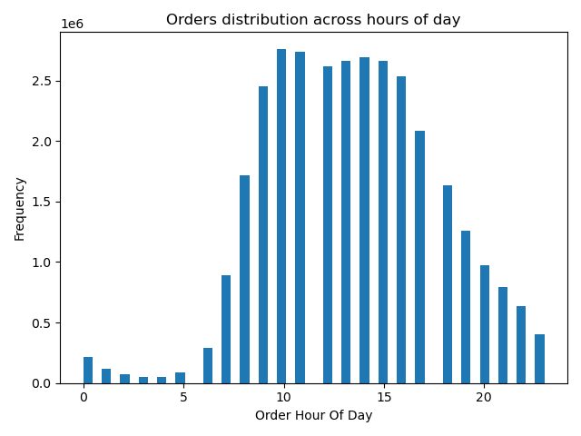

Observation on Key Question 1:

Based on Visualization 1.a., the data reveals that weekends, followed by Fridays and Mondays, are the peak days of the week in terms of order activity. Conversely, Wednesdays appear to be the least busy. Meanwhile, Visualization 1.b., in the form of a histogram, indicates that there is a gradual increase in incoming orders starting at 7 AM, peaking at 10 AM, and maintaining a high level of activity until approximately 4-5 PM. This information can be valuable for the sales team's ad scheduling strategy, helping them target less busy periods for ad placement.

Key Question 2: The sales team wants to know whether there are particular times of the day when people spend the most money, as this might inform the type of products they advertise at these times

Visualisation 2.a. Development of the product's prices across the order hour of the day | Visualisation 2.b. Development of the product's prices across the order days of the week
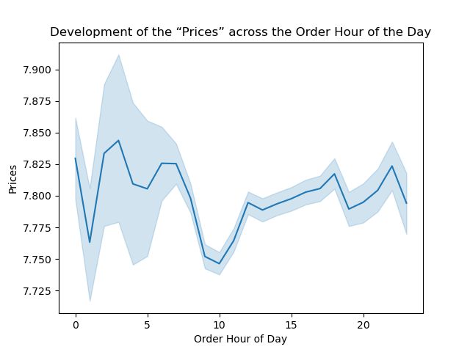 | 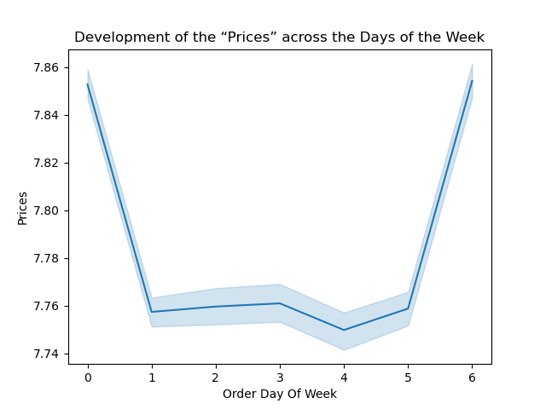

Observation on Key Question 2:

Based on Visualization 2.a., there doesn't appear to be a significant correlation between the price of items bought and the timing of these purchases. Meanwhile, Visualization 2.b., indicates that the majority of expenditures occur on Friday and Saturday. This pattern could be attributed to individuals stocking up on goods in preparation for the weekend.

Key Question 3: Instacart has a lot of products with different price tags. Marketing and sales want to use simpler price range groupings to help direct their efforts

Visualisation 3.a. Distribution of products prices | Visualisation 3.b. Grouping of all products according to their price
 | 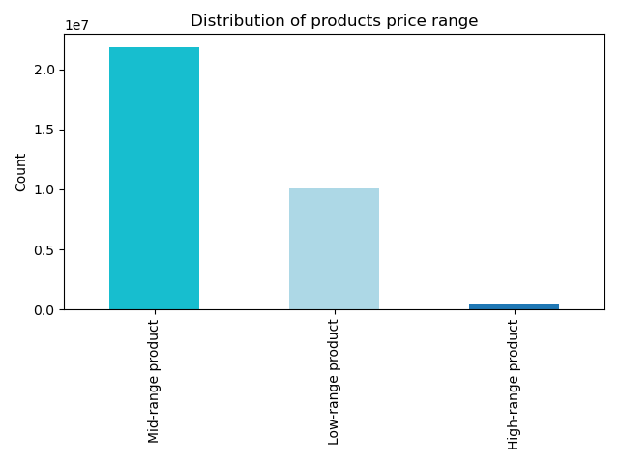

Observation on Key Question 3:

Visualization 3.a. shows that the majority of items fall within the $2 to $15 price range. In Visualization 3.b., it's evident that most ordered products belong to the mid-range category (prices between $5 and $15), surpassing the combined count of low-range ( prices below $5) and high-range products (above $15).

Key Question 4: Are there certain types of products that are more popular than others? The marketing and sales teams want to know which departments have the highest frequency of product orders

Visualisation 4.
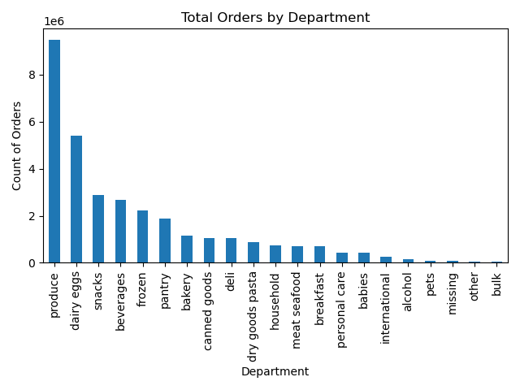

Observation on Key Question 4:

The top five departments on Instacart are Produce, Dairy & Eggs, Snacks, Beverages, and Frozen. Among these, Produce and Dairy & Eggs stand out with significantly higher order volumes. Concentrating efforts on these departments could boost sales. Additionally, analyzing customer demographics specific to each department could aid in targeted advertising strategies to further enhance sales.

Key Question 5: The marketing and sales teams are particularly interested in the different types of customers in their system and how their ordering behaviors differ. For example:
5.1. What’s the distribution among users in regards to their brand loyalty (i.e., how often do they return to Instacart)?

Visualisation 5.1. Distribution of orders among customers in terms of loyalty
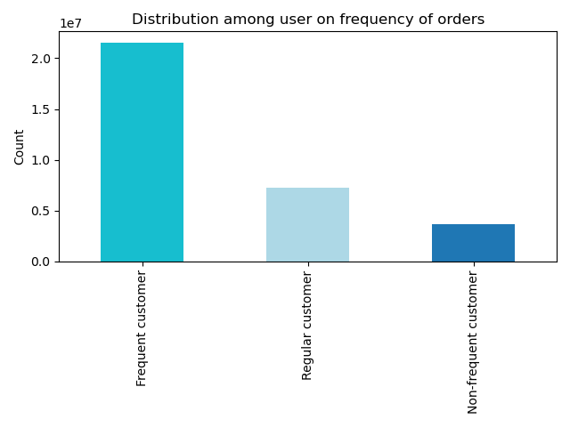

Observation on Key Question 5.1:

Most of the orders come from frequent customers, followed by regular customers, and a smaller portion comes from non-frequent customers who return less often: Frequent Customers (68.8%): These are the customers who come back to Instacart within a maximum of 10 days. They make up the majority of orders. Regular Customers (23.0%): These customers return to Instacart within 10 to 20 days for their new orders. They are the second-largest group. Non-frequent Customers (8.2%): These customers take more than 20 days to return to Instacart for another order. They make up the smallest portion of orders.

5.2. Are there differences in ordering habits based on a customer’s loyalty status?

Visualisation 5.2. Distribution of orders among customers in terms of loyalty, "Loyalty Flag"
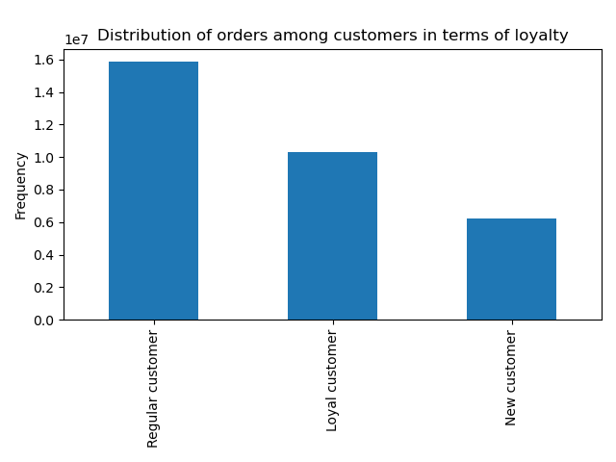

Observation on Key Question 5.2:

Based on the "Loyalty Flag" customers are categorized into three groups based on their maximum order count: "New Customer" for those with a maximum order count of 10 or less, "Regular Customer" for those with a maximum order count between 11 and 40, and "Loyal Customer" for those with a maximum order count exceeding 40. While loyal customers tend to place a higher number of orders individually, the total number of regular customers is significantly larger. Consequently, this group collectively generates the highest total number of orders.

5.3. Are there differences in ordering habits based on a customer’s region?
Visualisation 5.3.a | Visualisation 5.3.b
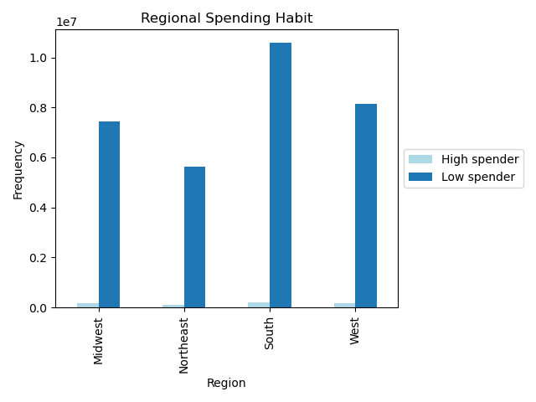 | 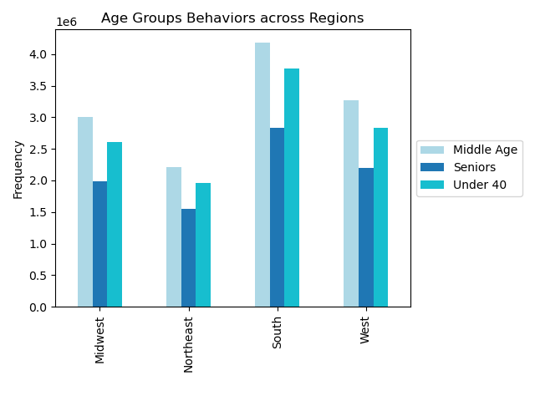

Visualisation 5.3.c | Visualisation 5.3.d
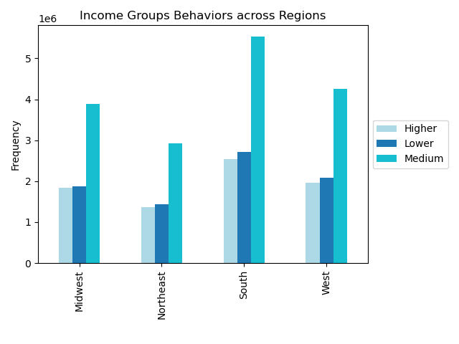 | 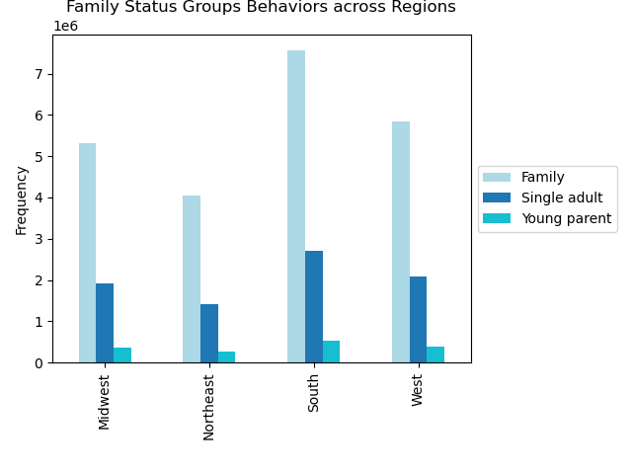

Observation on Key Question 5.3:

Spending Habits Across Regions (Visualisation 5.3.a): It seems that customers' spending habits, especially distinguishing between high and low spenders, do not exhibit significant variations between different regions. In each region, the number of low spenders aligns with the total number of customers, with the regions ranked as South, West, Midwest, and Northeast. Furthermore, there are no notable differences in the counts of high spenders across these regions. Age Groups' Behavior Across Regions (Visualisation 5.3.b): The behavioral patterns of customers in different age groups do not exhibit significant differences across various regions. Regardless of the region, age group behaviors remain relatively consistent. Income Groups' Behavior Across Regions (Visualisation 5.3.c): The behavioral patterns of customers in different income groups do not show significant variations across different regions. These patterns remain consistent regardless of the region. Family Status Groups' Behavior Across Regions (Visualisation 5.3.d): The behavioral patterns of customers in different family status groups also remain consistent across regions. There are no significant differences in how customers from various family status groups behave, regardless of the region they are in. In summary, these visualizations suggest that regional factors do not strongly influence customer behaviors related to spending, age groups, income groups, or family status groups on Instacart. But, there are noticeable regional variations in order counts on Instacart. The South region accounts for the highest percentage of orders, making up 33% of the total. It is followed by the West region at 26%, the Midwest at 23%, and finally, the Northeast at 18%. These percentages indicate that the South region leads in terms of order frequency, while the Northeast region has the lowest order count proportionally.

5.4. Is there a connection between age and family status in terms of ordering habits?

Visualisation 5.4.a. Relationship between customer age and the number of dependants | Visualisation 5.4.b. Age Groups across Family Status Groups
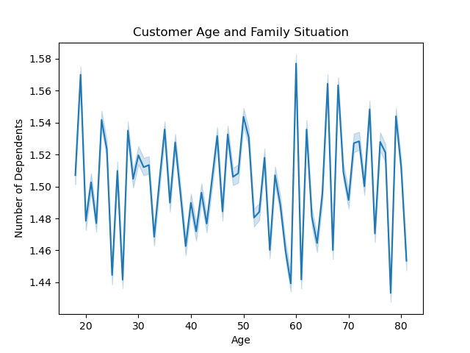 | 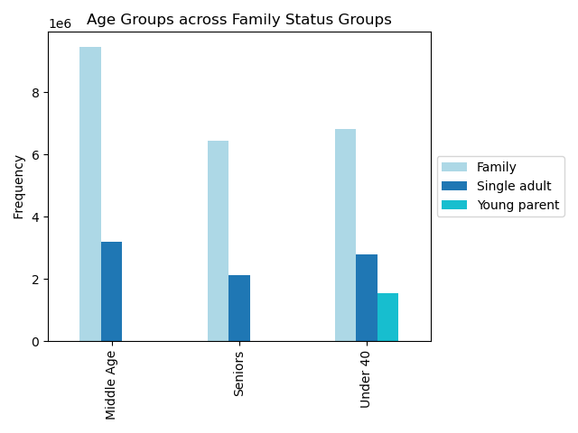

Observation on Key Question 5.4:

According to Visualization 5.4.a, it appears that there isn't a straightforward link between a customer's age and the number of dependents they have. Visualisation 5.4.b, on the other hand, illustrates that regardless of a customer's age group, those classified as "family" members tend to make the most orders on Instacart, followed by single adults, with young parents ordering the least. Essentially, the second visualization reaffirms that there isn't a strong association between a customer's age and their family status in terms of their ordering patterns on Instacart.

5.5. What different classifications does the demographic information suggest? Age? Income? Certain types of goods? Family status?

Visualisation 5.5.a | Visualisation 5.5.b
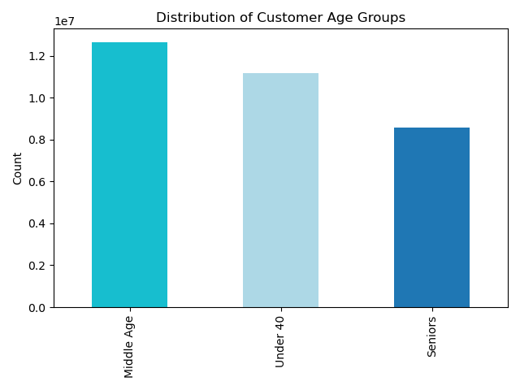 | 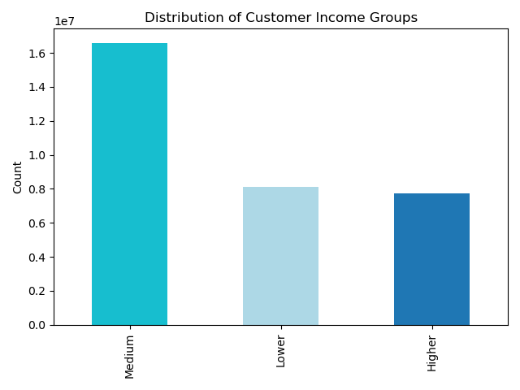

Visualisation 5.5.c | Visualisation 5.5.d
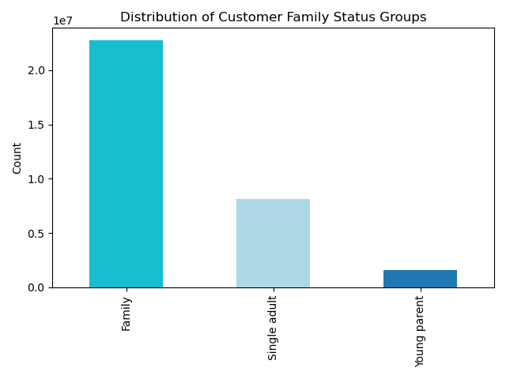 | 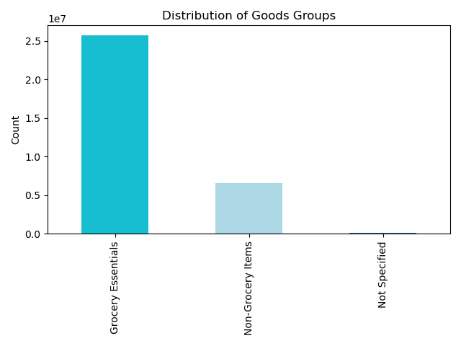

Observation on Key Question 5.5:

Age Group Preferences (Visualisation 5.5.a): Most of the items ordered on Instacart are by customers in the middle-aged group, while the number of orders from senior customers is the lowest among the age groups. Income Group Preferences (Visualisation 5.5.b): The largest group of Instacart customers, in terms of orders placed, falls into the medium income category. Customers in the other two income groups order roughly similar amounts. Family Status and Orders (Visualisation 5.5.c): The majority of Instacart orders are made by customers with families, and the proportion of orders from young parents is relatively smaller, if not minimal. Product Category Preferences (Visualisation 5.5.d): Most of the items ordered through Instacart belong to the "Grocery Essentials" category, indicating a strong preference for essential grocery items among customers.

5.6. What differences can you find in ordering habits of different customer profiles? Consider the price of orders, the frequency of orders, the products customers are ordering.
5.6.1. Age Groups
Visualisation 5.6.1.a | Visualisation 5.6.1.b
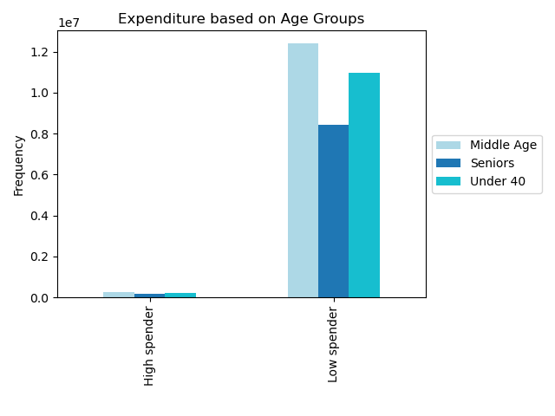 | 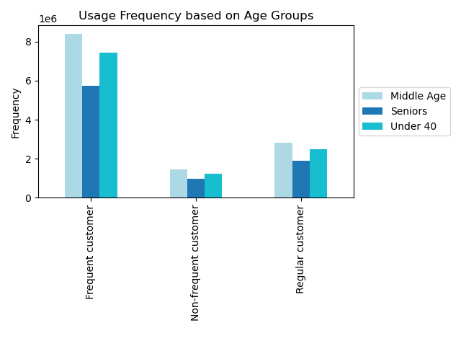

Visualisation 5.6.1.c | Visualisation 5.6.1.d
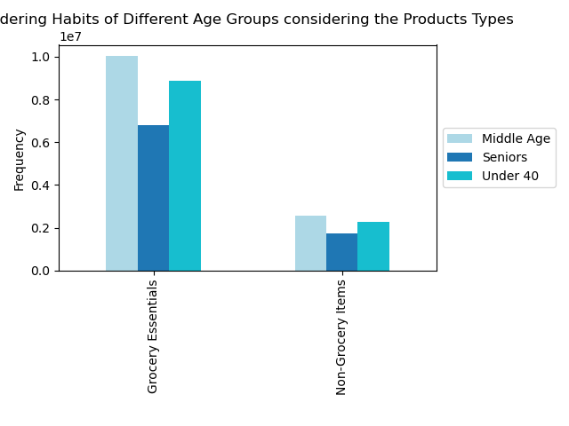 | 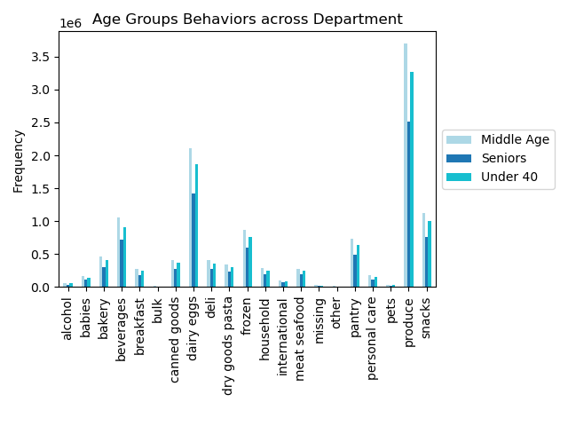

Observation on Key Question 5.6.1:

The data from Visualisations 5.6.1.a, 5.6.1.b, 5.6.1.c, and 5.6.1.d collectively indicate several key observations: Similar Spending Patterns Across Age Groups (Visualisation 5.6.1.a): The spending patterns of customers do not show significant differences across various age groups. This suggests that age is not a strong determining factor in how much customers spend on Instacart. Whether customers are high spenders or low spenders, the age group does not appear to be a major influence. Consistent Order Frequency Across Age Groups (Visualisation 5.6.1.b): There are no notable variations in the frequency of orders placed by customers across different age groups. This implies that customers of all age groups tend to place orders at a similar rate, indicating that age is not a significant factor in how often customers use Instacart. Similar Product Ordering Habits Across Age Groups (Visualisation 5.6.1.c & 5.6.1.d): The data suggests that there isn't a significant difference in the ordering habits of customers from various age groups when it comes to the types of products they order through Instacart. Whether it's grocery or non-grocery items, age doesn't seem to be a driving factor in product preferences. Overall, these observations indicate that age may not play a prominent role in influencing customer behavior on Instacart.

5.6.2. Income Groups
Visualisation 5.6.2.a | Visualisation 5.6.2.b
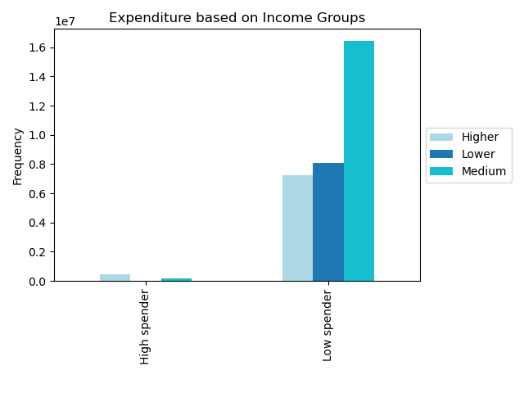 | 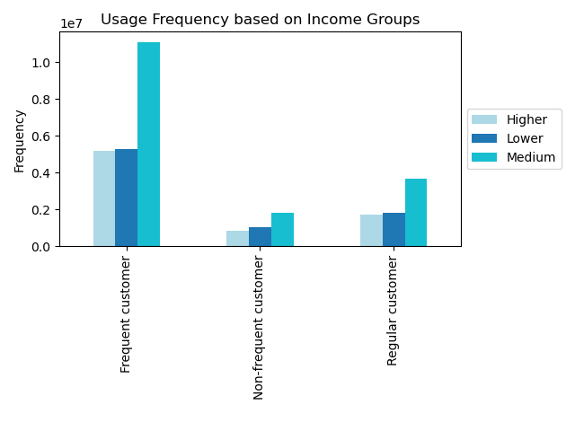

Visualisation 5.6.2.c | Visualisation 5.6.2.d
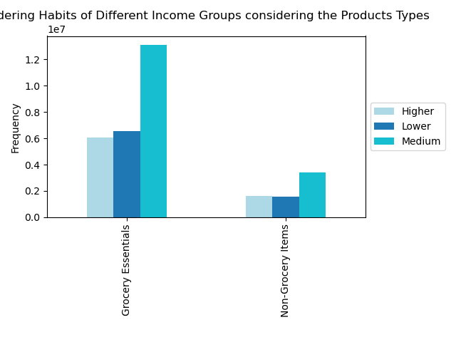 | 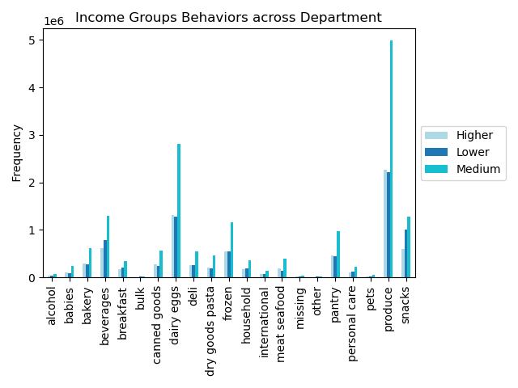

Observation on Key Question 5.6.2:

The data from Visualisations 5.6.2.a, 5.6.2.b, 5.6.2.c, and 5.6.2.d collectively indicate several key observations: Income and Spending Patterns (Visualisation 5.6.2.a): Notable disparities in spending behaviors emerge when examining customers from different income groups. The "Higher" income group predominantly consists of "High spenders," while the "Lower" income group is predominantly composed of "Low spenders." This clear correlation suggests that income levels significantly influence how customers spend on their orders through Instacart. Consistent Order Frequency Across Income Groups (Visualisation 5.6.2.b): There are no significant variations in the frequency of orders placed by customers across different income groups. This implies that the rate at which customers from various income levels use Instacart remains relatively uniform. Product Ordering Habits Across Income Groups (Visualisation 5.6.2.c & 5.6.2.d): The data suggests that there isn't a significant difference in the ordering habits of customers from various income groups regarding the types of products they order through Instacart. Whether it's grocery or non-grocery items, income levels don't appear to be a primary determinant of product preferences.

5.6.3. Family Status Groups
Visualisation 5.6.3.a | Visualisation 5.6.3.b
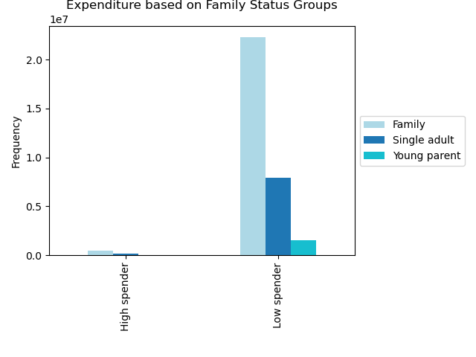 | 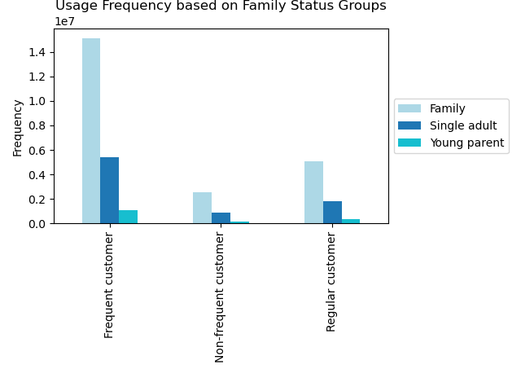

Visualisation 5.6.3.c | Visualisation 5.6.3.d
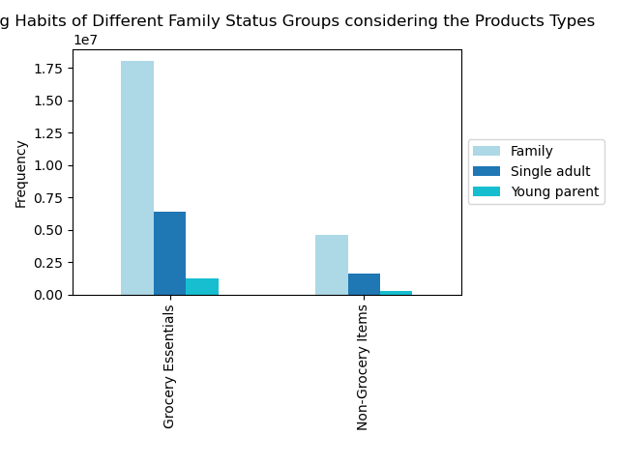 | 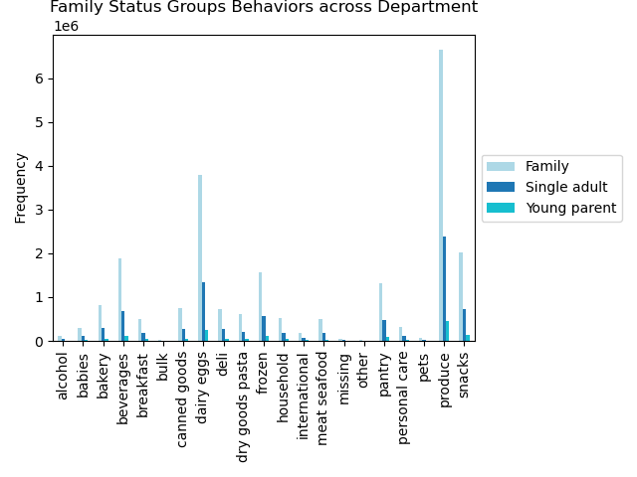

Observation on Key Question 5.6.3:

The data from Visualisations 5.6.3.a, 5.6.3.b, 5.6.3.c, and 5.6.3.d collectively indicate several key observations: Spending Patterns and Family Status (Visualisation 5.6.3.a): No significant disparities in spending behaviors are observed among customers with different family status groups. The majority of Instacart orders are placed by customers with families, while the proportion of orders from young parents is relatively small. This suggests that family status does not strongly correlate with spending patterns on Instacart, whether customers are high or low spenders. Ordering Patterns and Family Status (Visualisation 5.6.3.b): The ordering behavior among different family status groups remains consistent regardless of how frequently customers place orders. In particular, the majority of Instacart orders originate from customers with families, while orders from young parents remain relatively low, regardless of order frequency. This indicates that family status is not a significant factor in determining order frequency on Instacart. Product Ordering Habits and Family Status (Visualisation 5.6.3.c & 5.6.3.d): There isn't a significant difference in the ordering habits of customers from various family status groups when it comes to the types of products they order through Instacart. Whether it's grocery or non-grocery items, family status doesn't appear to be a primary determinant of product preferences. In summary, family status does not seem to strongly influence spending patterns, order frequency, or product preferences among customers on Instacart.

5.6.4. Relationship between customer age and their income
Visualisation 5.6.4.
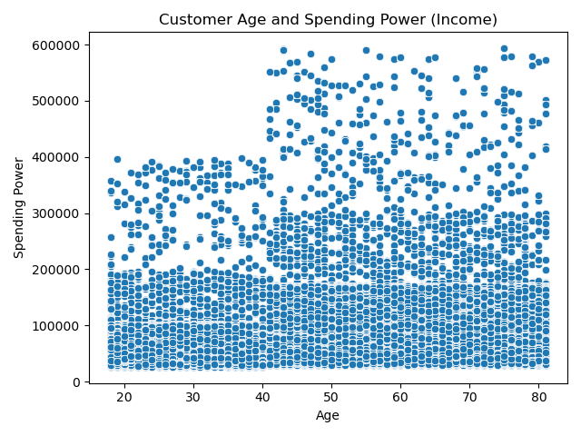

Observation on Key Question 5.6.4.:

The scatterplot displays that the majority of customers, regardless of their age, have spending power below 200k. Nevertheless, there is a noticeable rise in the percentage of customer's spending power between 200k and 400k once they reach the age of 40 and beyond. Furthermore, individuals aged 40 and above are the sole group with some individuals having spending power between 400k and 600k.

7. Recommendations
 | Title page

Recommendations

Key Question 1: The sales team needs to know what the busiest days of the week and hours of the day are (i.e., the days and times with the most orders) in order to schedule ads at times when there are fewer orders.
Visualisation 1.a & 1.b
Insights on Key Question 1:
Based on Visualization 1.a., the data reveals that weekends, followed by Fridays and Mondays, are the peak days of the week in terms of order activity. Conversely, Wednesdays appear to be the least busy. Meanwhile, Visualization 1.b., in the form of a histogram, indicates that there is a gradual increase in incoming orders starting at 7 AM, peaking at 10 AM, and maintaining a high level of activity until approximately 4-5 PM. This information can be valuable for the sales team's ad scheduling strategy, helping them target less busy periods for ad placement.
Recommendations for Marketing Strategy on Key Question 1:
Ad Scheduling: Schedule advertisements during the least busy periods to maximize their impact. Weekdays, especially Wednesdays, experience lower order activity, making them ideal for advertising campaigns. Consider running promotions, discounts, or special offers during these quieter days to attract more customers. Morning and Early Afternoon Focus: Concentrate marketing efforts during the peak hours of 10 AM to 4 PM, where there is a consistent high level of order activity. This timeframe presents an opportunity to engage customers actively using the platform. Consider sending targeted promotions or personalized recommendations during these hours. Weekend Promotions: Capitalize on weekends as they are the busiest days of the week. Run compelling promotions or advertising campaigns during Fridays, Saturdays, and Sundays to leverage the increased user activity during this time. Monitor and Adjust: Continuously monitor the response to ad scheduling changes and adjust strategies as needed. Analyze the impact of ads on order patterns and customer engagement to refine marketing efforts further. By strategically scheduling advertisements during less busy days and focusing on peak order hours, Instacart can potentially enhance its marketing effectiveness, engage customers when they are most active, and drive higher conversion rates. |  | k

Key Question 2: The sales team wants to know whether there are particular times of the day when people spend the most money, as this might inform the type of products they advertise at these times
Visualisation 2.a & 2.b
Insights on Key Question 2:
Based on Visualization 2.a., there doesn't appear to be a significant correlation between the price of items bought and the timing of these purchases. Meanwhile, Visualization 2.b., indicates that the majority of expenditures occur on Friday and Saturday. This pattern could be attributed to individuals stocking up on goods in preparation for the weekend.
Recommendations for Marketing Strategy on Key Question 2:
Weekend Promotions: Since the majority of expenditures occur on Friday and Saturday, consider running targeted promotions, discounts, or special offers during these days. Highlighting specific product categories that are popular on weekends, such as party supplies, snacks, and beverages, can be effective in boosting sales. Late-Afternoon and Evening Focus: While there isn't a strong correlation between the price of items and purchase timing, it's still beneficial to focus marketing efforts during the late-afternoon and evening hours when many customers make purchases. Consider featuring dinner-related items, convenience foods, and meal kits during these hours to cater to customers looking for dinner solutions.

Key Question 3: Instacart has a lot of products with different price tags. Marketing and sales want to use simpler price range groupings to help direct their efforts
Visualisation 3.a & 3.b
Insights on Key Question 3:
Visualization 3.a. shows that the majority of items fall within the $2 to $15 price range. In Visualization 3.b., it's evident that most ordered products belong to the mid-range category (prices between $5 and $15), surpassing the combined count of low-range ( prices below $5) and high-range products (above $15).
Recommendations for Marketing Strategy on Key Question 3:
Mid-Range Product Focus: Given that most ordered products belong to the mid-range category (prices between $5 and $15), consider placing a strong emphasis on marketing and promoting these products. Highlight mid-range products in advertisements, featured sections, and promotions to attract a broader customer base. Special Promotions: Develop targeted promotions for each price range category. For budget-friendly products, focus on affordability and value. For premium products, highlight quality and exclusivity. Offer discounts or bundle deals within each category to incentivize purchases. Customer Communication: Communicate the benefits of each price range category to customers. Use clear and appealing messaging to convey the value and quality associated with products in each range.

Key Question 4: Are there certain types of products that are more popular than others? The marketing and sales teams want to know which departments have the highest frequency of product orders
Visualisation 4.
Insights on Key Question 4:
The top five departments on Instacart are Produce, Dairy & Eggs, Snacks, Beverages, and Frozen. Among these, Produce and Dairy & Eggs stand out with significantly higher order volumes. Concentrating efforts on these departments could boost sales. Additionally, analyzing customer demographics specific to each department could aid in targeted advertising strategies to further enhance sales.
Recommendations for Marketing Strategy on Key Question 4:
Highlight Top Departments: Concentrate marketing efforts on the top-performing departments, including Produce, Dairy & Eggs, Snacks, Beverages, and Frozen. Allocate advertising budget and promotional campaigns to showcase products from these departments prominently on the platform. Product Bundles: Create product bundles or package deals that include items from these popular departments. For example, offer a "Healthy Breakfast Bundle" that combines items from the Produce and Dairy & Eggs departments. This can encourage cross-category sales and increase order values. Seasonal and Freshness Promotions: Emphasize the freshness and seasonality of products within the Produce and Dairy & Eggs departments. Highlight special promotions for seasonal fruits, vegetables, and dairy products to attract customers looking for quality and variety.

Key Question 5: The marketing and sales teams are particularly interested in the different types of customers in their system and how their ordering behaviors differ. For example:
5.1. What’s the distribution among users in regards to their brand loyalty (i.e., how often do they return to Instacart)?
Visualisation 5.1.
Insights on Key Question 5.1:
Most of the orders come from frequent customers, followed by regular customers, and a smaller portion comes from non-frequent customers who return less often: Frequent Customers (68.8%): These are the customers who come back to Instacart within a maximum of 10 days. They make up the majority of orders. Regular Customers (23.0%): These customers return to Instacart within 10 to 20 days for their new orders. They are the second-largest group. Non-frequent Customers (8.2%): These customers take more than 20 days to return to Instacart for another order. They make up the smallest portion of orders.
Recommendations for Marketing Strategy on Key Question 5.1:
Loyalty Programs: Develop and promote loyalty programs that reward frequent and regular customers for their continued patronage. Offer exclusive discounts, early access to promotions, or personalized recommendations to incentivize repeat orders. Targeted Communication: Implement targeted communication strategies based on customer loyalty segments. Send personalized emails or app notifications to frequent customers, informing them of new products, promotions, or time-limited offers. For regular and non-frequent customers, focus on re-engagement messages to encourage their return. Dynamic Promotions: Tailor promotions and discounts to align with customer loyalty segments. For example, offer special discounts to frequent customers on their favorite products or brands, while providing more substantial incentives to non-frequent customers to encourage them to return. Reactivation Campaigns: Create reactivation campaigns specifically targeting non-frequent customers. Send them tailored offers or reminders to re-engage them with the platform. Use A/B testing to determine the most effective reactivation strategies. Feedback and Improvement: Collect feedback from customers in different loyalty segments to understand their needs and preferences. Use this feedback to continuously improve the user experience, product selection, and delivery services.
5.2. Are there differences in ordering habits based on a customer’s loyalty status?
Visualisation 5.2.
Insights on Key Question 5.2:
Based on the "Loyalty Flag" customers are categorized into three groups based on their maximum order count: "New Customer" for those with a maximum order count of 10 or less, "Regular Customer" for those with a maximum order count between 11 and 40, and "Loyal Customer" for those with a maximum order count exceeding 40. While loyal customers tend to place a higher number of orders individually, the total number of regular customers is significantly larger. Consequently, this group collectively generates the highest total number of orders.
Recommendations for Marketing Strategy on Key Question 5.2:
Segmented Campaigns: Tailor marketing campaigns and promotions to cater to the specific needs and behaviors of each loyalty status group. Create campaigns that acknowledge the loyalty of regular and loyal customers, while also offering incentives to new customers to encourage repeat orders. Exclusive Loyalty Rewards: Introduce exclusive rewards for loyal customers, such as early access to promotions, personalized recommendations, or loyalty-specific discounts. These incentives can reinforce their loyalty and encourage them to continue ordering. Regular Customer Engagement: Regular customers represent a significant portion of total orders. Implement engagement strategies to keep this group active and loyal. Send personalized recommendations, highlight new products, and offer loyalty-specific promotions to retain their business. Onboarding New Customers: Focus on onboarding and retaining new customers. Provide an excellent first-time experience with Instacart through seamless onboarding, clear product recommendations, and an easy-to-navigate platform. Send welcome offers or discounts to encourage their initial orders.
5.3. Are there differences in ordering habits based on a customer’s region?
Visualisation 5.3.a - 5.3.d
Insights on Key Question 5.3:
Spending Habits Across Regions (Visualisation 5.3.a): It seems that customers' spending habits, especially distinguishing between high and low spenders, do not exhibit significant variations between different regions. In each region, the number of low spenders aligns with the total number of customers, with the regions ranked as South, West, Midwest, and Northeast. Furthermore, there are no notable differences in the counts of high spenders across these regions. Age Groups' Behavior Across Regions (Visualisation 5.3.b): The behavioral patterns of customers in different age groups do not exhibit significant differences across various regions. Regardless of the region, age group behaviors remain relatively consistent. Income Groups' Behavior Across Regions (Visualisation 5.3.c): The behavioral patterns of customers in different income groups do not show significant variations across different regions. These patterns remain consistent regardless of the region. Family Status Groups' Behavior Across Regions (Visualisation 5.3.d): The behavioral patterns of customers in different family status groups also remain consistent across regions. There are no significant differences in how customers from various family status groups behave, regardless of the region they are in. In summary, these visualizations suggest that regional factors do not strongly influence customer behaviors related to spending, age groups, income groups, or family status groups on Instacart. But, there are noticeable regional variations in order counts on Instacart. The South region accounts for the highest percentage of orders, making up 33% of the total. It is followed by the West region at 26%, the Midwest at 23%, and finally, the Northeast at 18%. These percentages indicate that the South region leads in terms of order frequency, while the Northeast region has the lowest order count proportionally.
Recommendations for Marketing Strategy on Key Question 5.3:
Regional Order Promotions: Capitalize on the regional differences in order counts by tailoring promotions and advertising efforts to specific regions. Allocate more resources to the South, West, and Midwest regions, which have higher order frequencies, to maximize sales potential. Market Analysis: Continuously monitor and analyze regional data to identify emerging trends and shifts in customer behavior. Stay adaptable and adjust marketing strategies to align with changing regional preferences. Collaborate with Local Partners: Partner with local businesses, farmers, or suppliers to offer unique regional products or exclusive deals. Collaborations like these can attract and retain customers looking for local and authentic experiences.
5.4. Is there a connection between age and family status in terms of ordering habits?
Visualisation 5.4.a & 5.4.b
Insights on Key Question 5.4:
According to Visualization 5.4.a, it appears that there isn't a straightforward link between a customer's age and the number of dependents they have. Visualisation 5.4.b, on the other hand, illustrates that regardless of a customer's age group, those classified as "family" members tend to make the most orders on Instacart, followed by single adults, with young parents ordering the least. Essentially, the second visualization reaffirms that there isn't a strong association between a customer's age and their family status in terms of their ordering patterns on Instacart.
Recommendations for Marketing Strategy on Key Question 5.4:
Universal Appeal: Given that family members tend to make the most orders regardless of age group, focus on product offerings and promotions that have universal appeal. Create marketing campaigns and product recommendations that cater to the needs of families, such as family-sized packs, bulk discounts, and convenience-oriented products. Segmented Messaging: While age may not directly influence ordering habits, consider segmented messaging for different age groups to resonate with their preferences and lifestyles. For example, emphasize convenience and time-saving for young adults, and emphasize quality and variety for older age groups. Family-Centric Promotions: Develop promotions and loyalty programs specifically targeting families. Offer incentives such as family bundle discounts, free delivery for larger orders, or exclusive family-oriented products to attract and retain this customer segment. Personalized Product Recommendations: Implement personalized product recommendations that consider a customer's family status and past purchase behavior. Suggest relevant products for families, single adults, and young parents to enhance the shopping experience
5.5. What different classifications does the demographic information suggest? Age? Income? Certain types of goods? Family status?
Visualisation 5.5.a - 5.5.d
Insights on Key Question 5.5:
Age Group Preferences (Visualisation 5.5.a): Most of the items ordered on Instacart are by customers in the middle-aged group, while the number of orders from senior customers is the lowest among the age groups. Income Group Preferences (Visualisation 5.5.b): The largest group of Instacart customers, in terms of orders placed, falls into the medium income category. Customers in the other two income groups order roughly similar amounts. Family Status and Orders (Visualisation 5.5.c): The majority of Instacart orders are made by customers with families, and the proportion of orders from young parents is relatively smaller, if not minimal. Product Category Preferences (Visualisation 5.5.d): Most of the items ordered through Instacart belong to the "Grocery Essentials" category, indicating a strong preference for essential grocery items among customers.
Recommendations for Marketing Strategy on Key Question 5.5:
Middle-Aged Focus: Given that the middle-aged group places the most orders, tailor marketing efforts to cater to their preferences and needs. Highlight products and promotions that resonate with this age group's lifestyle and shopping habits. Medium Income Optimization: Concentrate on optimizing the shopping experience and product offerings for customers in the medium income category. Consider offering value-focused promotions, discounts, and budget-friendly options to cater to their spending habits. Family-Centric Marketing: Since customers with families make up the majority of orders, create marketing campaigns and product bundles specifically designed for family needs. Emphasize convenience, bulk discounts, and family-sized portions. Young Parent Engagement: While young parents may represent a smaller customer segment, engage them with promotions and products that simplify their busy lives. Offer time-saving solutions, kid-friendly options, and family-oriented promotions to attract and retain this group. Grocery Essentials Promotion: Continue to emphasize the "Grocery Essentials" category, as it is the most preferred product category among customers. Showcase essential grocery items, offer deals on staple products, and ensure a wide variety of choices within this category.
5.6. What differences can you find in ordering habits of different customer profiles? Consider the price of orders, the frequency of orders, the products customers are ordering.
Visualisation 5.6.1.a - 5.6.1.d
Insights on Key Question 5.6.1 (Age Groups):
The data from Visualisations 5.6.1.a, 5.6.1.b, 5.6.1.c, and 5.6.1.d collectively indicate several key observations: Similar Spending Patterns Across Age Groups (Visualisation 5.6.1.a): The spending patterns of customers do not show significant differences across various age groups. This suggests that age is not a strong determining factor in how much customers spend on Instacart. Whether customers are high spenders or low spenders, the age group does not appear to be a major influence. Consistent Order Frequency Across Age Groups (Visualisation 5.6.1.b): There are no notable variations in the frequency of orders placed by customers across different age groups. This implies that customers of all age groups tend to place orders at a similar rate, indicating that age is not a significant factor in how often customers use Instacart. Similar Product Ordering Habits Across Age Groups (Visualisation 5.6.1.c & 5.6.1.d): The data suggests that there isn't a significant difference in the ordering habits of customers from various age groups when it comes to the types of products they order through Instacart. Whether it's grocery or non-grocery items, age doesn't seem to be a driving factor in product preferences. Overall, these observations indicate that age may not play a prominent role in influencing customer behavior on Instacart.
Visualisation 5.6.2.a - 5.6.2.d
Insights on Key Question 5.6.2 (Income Groups):
The data from Visualisations 5.6.2.a, 5.6.2.b, 5.6.2.c, and 5.6.2.d collectively indicate several key observations: Income and Spending Patterns (Visualisation 5.6.2.a): Notable disparities in spending behaviors emerge when examining customers from different income groups. The "Higher" income group predominantly consists of "High spenders," while the "Lower" income group is predominantly composed of "Low spenders." This clear correlation suggests that income levels significantly influence how customers spend on their orders through Instacart. Consistent Order Frequency Across Income Groups (Visualisation 5.6.2.b): There are no significant variations in the frequency of orders placed by customers across different income groups. This implies that the rate at which customers from various income levels use Instacart remains relatively uniform. Product Ordering Habits Across Income Groups (Visualisation 5.6.2.c & 5.6.2.d): The data suggests that there isn't a significant difference in the ordering habits of customers from various income groups regarding the types of products they order through Instacart. Whether it's grocery or non-grocery items, income levels don't appear to be a primary determinant of product preferences.
Visualisation 5.6.3.a - 5.6.3.d
Insights on Key Question 5.6.3 (Family Status Groups):
The data from Visualisations 5.6.3.a, 5.6.3.b, 5.6.3.c, and 5.6.3.d collectively indicate several key observations: Spending Patterns and Family Status (Visualisation 5.6.3.a): No significant disparities in spending behaviors are observed among customers with different family status groups. The majority of Instacart orders are placed by customers with families, while the proportion of orders from young parents is relatively small. This suggests that family status does not strongly correlate with spending patterns on Instacart, whether customers are high or low spenders. Ordering Patterns and Family Status (Visualisation 5.6.3.b): The ordering behavior among different family status groups remains consistent regardless of how frequently customers place orders. In particular, the majority of Instacart orders originate from customers with families, while orders from young parents remain relatively low, regardless of order frequency. This indicates that family status is not a significant factor in determining order frequency on Instacart. Product Ordering Habits and Family Status (Visualisation 5.6.3.c & 5.6.3.d): There isn't a significant difference in the ordering habits of customers from various family status groups when it comes to the types of products they order through Instacart. Whether it's grocery or non-grocery items, family status doesn't appear to be a primary determinant of product preferences. In summary, family status does not seem to strongly influence spending patterns, order frequency, or product preferences among customers on Instacart.
Visualisation 5.6.4.a - 5.6.4.d
Insights on Key Question 5.6.4.:
The scatterplot displays that the majority of customers, regardless of their age, have spending power below 200k. Nevertheless, there is a noticeable rise in the percentage of customer's spending power between 200k and 400k once they reach the age of 40 and beyond. Furthermore, individuals aged 40 and above are the sole group with some individuals having spending power between 400k and 600k.
Recommendations for Marketing Strategy on Key Question 5.6:
Age Groups (5.6.1): Instacart should adopt a marketing strategy that caters to a broad range of age groups since age does not seem to significantly impact spending patterns, order frequency, or product preferences. Income Groups (5.6.2): Recognize the strong correlation between income levels and spending behaviors. Tailor marketing campaigns to attract and retain high spenders in the "Higher" income group while also providing value propositions and promotions for the "Lower" income group. Consider offering discounts, loyalty programs, or exclusive deals to incentivize higher income customers to make more purchases through Instacart. Family Status Groups (5.6.3): Maintain a general marketing approach that appeals to customers with families and young parents alike since family status does not appear to strongly influence spending patterns or product preferences. Highlight the convenience and time-saving aspects of using Instacart for busy families and young parents in marketing materials. Age and Spending Power (5.6.4): Recognize that customers aged 40 and above tend to have higher spending power. Target marketing efforts, including promotions and product recommendations, towards this age group, especially those with spending power between 200k and 400k. Consider creating marketing campaigns that cater to the specific needs and preferences of this age group, such as quality and variety of products, convenience, and personalized shopping experiences. Overall Marketing Recommendations: Continue to emphasize the convenience, reliability, and time-saving aspects of using Instacart in marketing campaigns. Leverage data-driven personalization to recommend products and offers that align with individual customer preferences, regardless of age, income, or family status. Monitor customer feedback and conduct surveys to gain further insights into customer needs and preferences, allowing Instacart to fine-tune marketing strategies.

